Items
Item No. | Activity/ Task Description | Inspection Point: Quality Control Activity | Acceptance Criteria | Verifying Document | Frequency | Inspection Type | Inspection
 |  |  |  |  |  |  | Key | By | Checked (PM Initial) | Date
9.0 | Road Signs | Final Sign Off | All below requirements are met and approved by ER | Referenced Item numbers as below | Once post construction | Hold Point | H | ER
9.1 | Materials | Pre Installation - Compliance Check | All materials to comply with relevent clause under TNZ P24 2020 | Manufacturers Cetificate | Once Per Supplier | Review | R | ER
 | Existings Signs |  | Contractor to advise the Engineer of all sign proposed to be re-used prior to installtation for Engineer's inspection and approval and shall meet the requirements of Clause 810.6 |  |  | Inspection / Review | I / R | PM/PS/ER
 | Retroreflective Requirements |  | 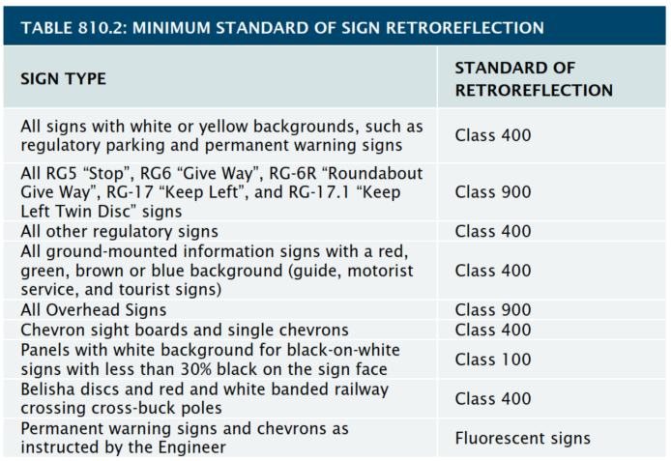 The minimum standard of retroreflection for signs shall be as detailed in Table 810.2 in the technical specifications |  |  | Inspection / Review | I / R | PM/PS/ER
 | Contractor's Signposts Design |  | The contractor shall design all signposts, poles and foundations in accordance to NZTA P4: 2020 and submit to the Engineer for Information and Review a month prior to installation. |  |  | Inspection / Review | I / R | PM/PS/ER
9.2 | Installation
9.2.1 | Delivery | Inspection upon delivery | Signs to be checked for any damage upon delivery, return to manufacturer if damaged. | Delivery Checklist | Once Per Delivery | Check | C | PM/PS
 | Confirm Services |  | The Contractor shall confirm the location of all underground services within the vicinity of a ground-mounted sign prior to its erection.
9.2.2 | Positioning & Orientation | Onsite inspections and checks | Positioning & Orientation to comply to TNZ P24 2020 Clause 7.3 & 7.4 | Site Checklist Form | Once per sign installation | Inspection / Review | I / R | PM/PS/ER
9.2.3 | Sign Support Selection | Onsite inspections and checks | Supports to comply as per TNZ P24 2020 - Table 7.1 | Site Checklist Form | Once per sign installation | Inspection / Review | I / R | PM/PS/ER
9.2.4 | Foundations | Onsite inspections and checks | Foundations to comply as per TNZ P24 2020 Clause 7.7 Foundations | Site Checklist Form | Once per sign installation | Inspection / Review | I / R | PM/PS/ER
 | Construction Records |  | The contractor is to maintain construction records of each sign that clearly show that all posts, poles and foundation details comply with the requirements of the specification.
9.2.5 | Daytime Survey | Post construction survey | (a) The actual sign face is free of environmental soil such as mildew or lichen growth (b) No physical damage has affected or risked sign face readability and or sign integrity (c) No vegetation or other structure impedes line of sight or visibility to the sign face (d) The sign is free of any graffiti or the aftermath of previous poor cleaning action (e) Sign supports and foundations are sound and maintain correct sign presentation (f) The need for the sign still exists – for example a speed reduction has not negated the need for a posted curve warning speed (g) Confirming that the physical sign and its structure remain suitable for purpose or note that some repair should be undertaken (h) Any fluorescent sign, deemed to require a higher level of day time visibility through its fluorescing colour feature, maintains a satisfactory performance e.g. Signs for active users (schools, pedestrians, cyclists). | Survey Checklist | Once per completed section of works | Inspection | Inspection | PM/ER
9.2.6 | Nighttime Survey | Post construction survey | (a) Overall any sign or part of a traffic sign (eg guide sign), especially when set in a disadvantaged position, is performing suitable for purpose, exhibiting an even level of retroreflectivity across the face of the sign to ensure that an appropriate level of readability is achieved across the entire sign throughout the approach (b) The orientation of the sign face is such that no specular (mirror) retroreflection creates an over bright glare effect that interferes with sign recognition/readability (c) At the threshold of retroreflectivity the traffic sign presents a level of visibility that ensures a driver becomes aware the sign is present – before actual readability is possible (d) That any previous maintenance completed during daylight hours has not damaged retroreflectivity at night – for example poor graffiti cleaning (e) Traffic signs remain fully effective and suitable for the purpose for which they were installed | Survey Checklist | Once per completed section of works | Inspection | Inspection | PM/ER
COMMENTS
 |  |  |  |  |  | ☐ Yes | ☐ No | Date:

